Use_Case
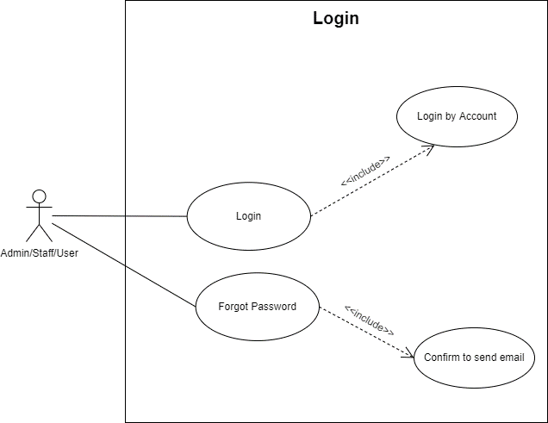
6.1.1. Đăng nhập
6.1.1. Quên mật khẩu (gửi mail phục hồi)

Class_Diagram
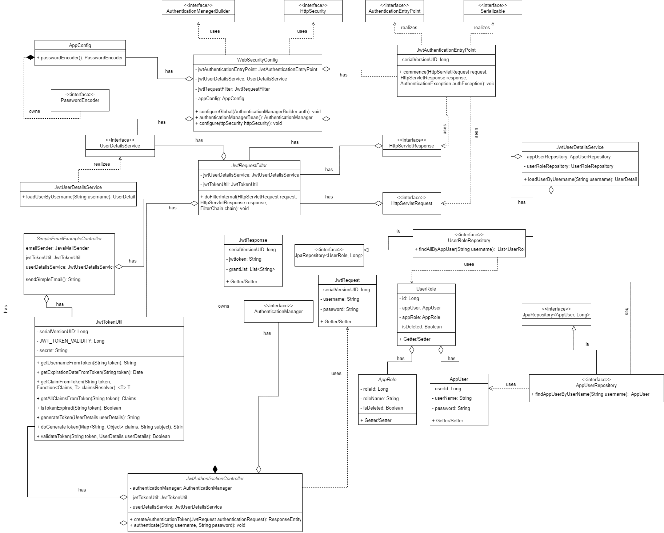
6.1.1. Đăng nhập
6.1.1. Quên mật khẩu (gửi mail phục hồi)

Sequence_Diagram
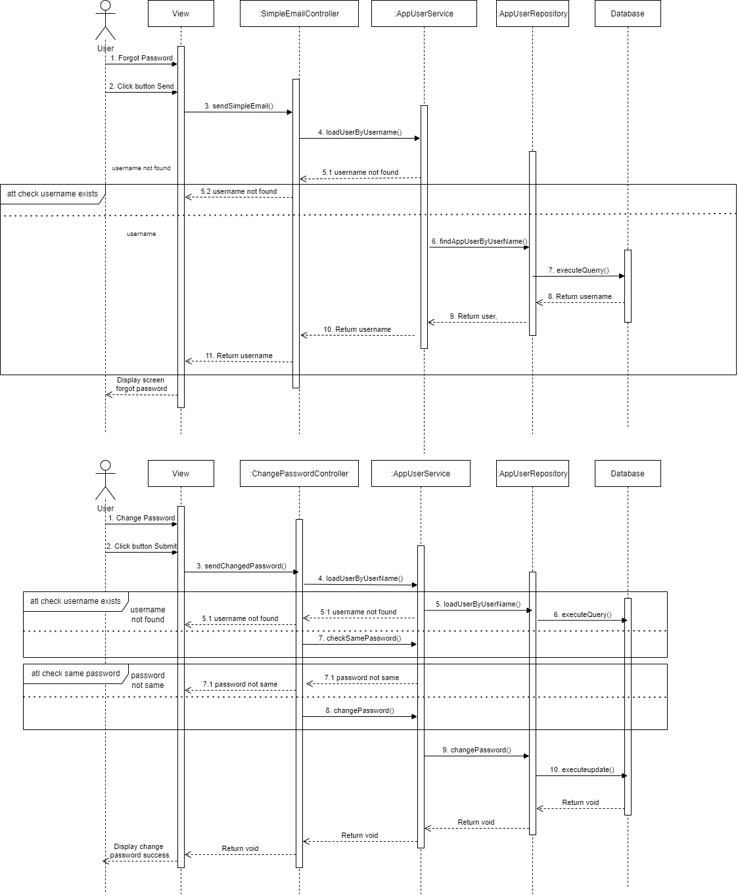
6.1.1. Đăng nhập
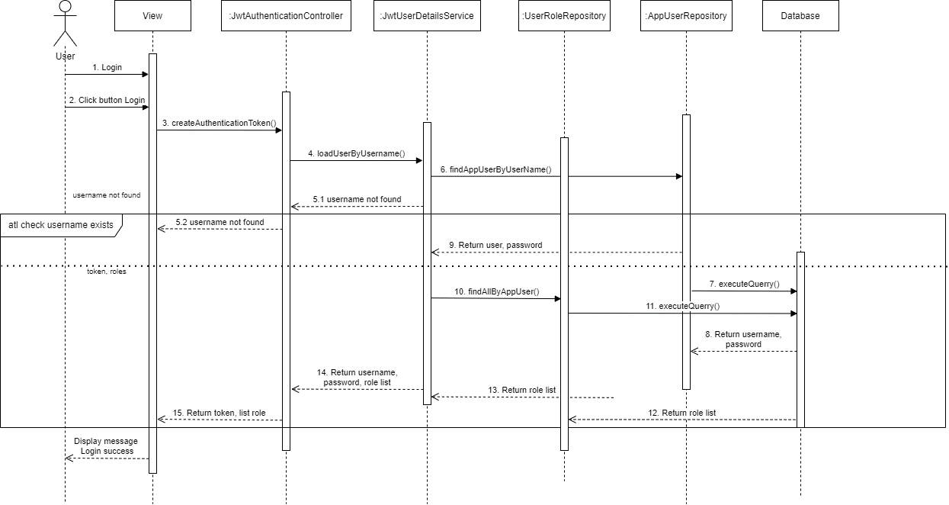

6.1.1. Quên mật khẩu (gửi mail phục hồi)

